Sheet1
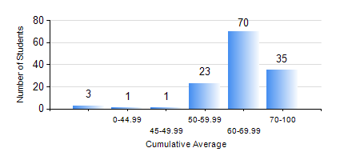
 |  |  | KWAME NKRUMAH UNIVERSITY OF SCIENCE AND TECHNOLOGY, KUMASI Department of Chemical Engineering

 |  |  | BSC. CHEMICAL ENG.

 |  |  | COMPREHENSIVE RECORD OF EXAMINATION RESULTS

 |  |  | RESULTS OF YEAR 1 FIRST SEMESTER, 2022/2023 ACADEMIC YEAR

 | Sn | Course Code |  | Course Name | Credit Hours | Min. Mark | Max. Mark | Avg. Mark | Std. Dev. | No. Passed | No. Trailed | No. (Df) | No. (I) | No. (I*) | No. Tagged(I,I*,Df) | Total
 | 0. |  |  |  |  |  |  | 0 | 0 | 0 | 0 | 0 | 0 | 0 | 0 | 3
 | 1. | CHE 151 |  | INORGANIC CHEMISTRY FOR ENGINEERS | 2 | 21 | 87 | 60 | 12.42 | 125 | 5 | 0 | 0 | 0 | 0 | 130
 | 2. | CHE 153 |  | ORGANIC CHEMISTRY FOR ENGINEERS | 2 | 26 | 98 | 59 | 14.78 | 117 | 13 | 0 | 0 | 0 | 0 | 130
 | 3. | CHEM 169 |  | PRACTICAL CHEMISTRY I | 3 | 44 | 82 | 73 | 5.77 | 130 | 0 | 0 | 0 | 0 | 0 | 130
 | 4. | EE 151 |  | APPLIED ELECTRICITY | 3 | 28 | 79 | 51 | 10.77 | 112 | 18 | 0 | 0 | 0 | 0 | 130
 | 5. | ENGL 157 |  | COMMUNICATION SKILLS I | 2 | 12 | 82 | 62 | 10.47 | 128 | 2 | 0 | 0 | 0 | 0 | 130
 | 6. | MATH 151 |  | ALGEBRA | 4 | 62 | 84 | 74 | 4 | 130 | 0 | 0 | 0 | 0 | 0 | 130
 | 7. | ME 159 |  | TECHNICAL DRAWING | 2 | 41 | 97 | 76 | 12.4 | 130 | 0 | 0 | 0 | 0 | 0 | 130

